Cover Page

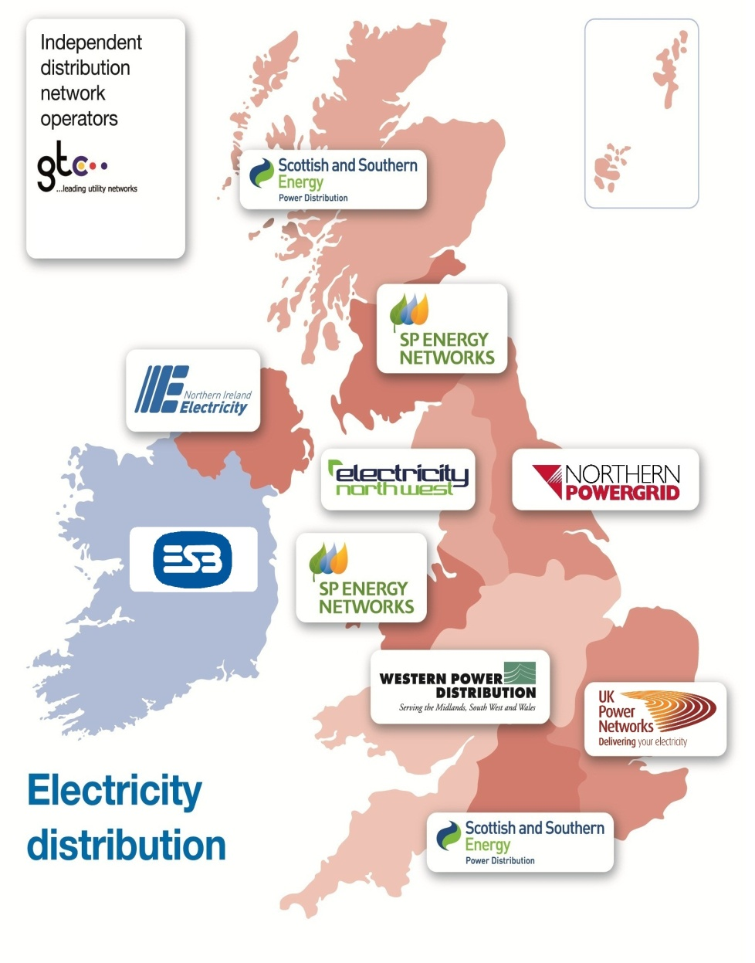
v3.2
Notificaton/Application to DNO of installation of dedicated Electric Vehicle charging equipment and/or Heat Pump
This spreadsheet must be completed and sent by the installer to the DNO(s) directly when installing an multiple Electric Vehicle Charge Point or Heat Pumps. It should be used for properties with an existing DNO connection. For new DNO connections, the spreadsheet should be used in addition to a new electricity connection application. To ensure the safety and security of the Electricity Networks, depending on the size, type and location of the installation, you may need to apply for a connection with the DNO prior to installation of the device. To determine if you need to apply to the DNO for a connection prior to installation or not, please ensure you read and understand the connection processes for Electric Vehicles and Heat Pumps on the ENA website here: http://www.energynetworks.org/electricity/futures/electric-vehicles-and-heat-pumps.html
Please note that:
● One row of the spreadsheet must be submitted per premises (unless you have multiple Heat Pump controllers).
● An ‘adequacy of the supply’ assessment is required prior to any Electric Vehicle Charge Point or Heat Pump installation. This requires a load survey to calculate the new Maximum Demand (MD), including the device to be installed.
● The DNO must be contacted in advance of installation where there is an identified issue with adequacy or safety concern with the premises existing service equipment, where the new MD is greater than the cut-out rating, where the new MD is >60A (13.8kVA single phase) for residential properties or the devices do not meet the required standards. Depending on the size and/or number of devices being connected, the DNO may ask for additional information to be supplied.
● In certain circumstances, for example if the total MD of the premises is ≤60A and adequacy of the connection is known, the DNO shall be notified within 28 days of the installation.
● Any reinforcement costs associated with this installation may be recharged to the customer.
Providing that this spreadsheet is fully and correctly completed, the following timeframes are applicable:
● Properties with new MD ≤60A and meeting all other relevant requirements - installers can connect their device(s) and shall notify the DNO by filling in this spreadsheet within 28 days of the installation
● Properties with new MD between 60A and 100A inclusive (and not CT metered) - the installer must apply for a connection prior to installation by filling in this form and the DNO will assess the supply capacity within 10 working days
● Properties with new MD >100A (and not CT metered) - the installer must apply for a connection prior to installation by filling in this form. Timescales as per the Electricity Distribution Licence, Electricity (Guaranteed Standards of Performance) Regulations 2010: https://www.ofgem.gov.uk/ofgem-publications/47616/connections-gsop-guidance-sept0809pdf
See local DNO connections Guaranteed Standards of Service for specific response timescales in your area.
Information regarding the completion of the form
● Please note that to ensure you comply with GDPR requirements, applications and notifications should only be sent to the relevant DNO that corresponds to the MPAN(s). Therefore, one spreadsheet should be sent per DNO. See distribution list below for email address details.
● You may submit the spreadsheet at any frequency you wish but the first date of installation must not be more than 28 days beforehand.
● Mouse-over Tooltips have been added to some title cells, these are denoted by a red triangle.
● The MPAN number is split into the first 8 digits and the last 13; this is so that the check digit can be verified. The cell will go green if correct, or red if incorrect.
● The MPAN Check and DNO columns should auto-fill; if they do not, or you have any further queries, please contact:
innovation@energynetworks.org
Distribution List
smallservices@ukpowernetworks.co.uk;
wpdnewsuppliesmids@westernpower.co.uk;
getconnected@northernpowergrid.com;
connectionapplications@enwl.co.uk;
connections@ssen.co.uk;
spevcharging@spenergynetworks.co.uk;
wpdnewsupplieswales@westernpower.co.uk;
wpdnewsupplies@westernpower.co.uk;
innovation@energynetworks.org;
EV.Notification@gtc-uk.co.uk;
For installations in Northern Ireland, please send information directly to: lctconnections@nienetworks.co.uk

